MAP
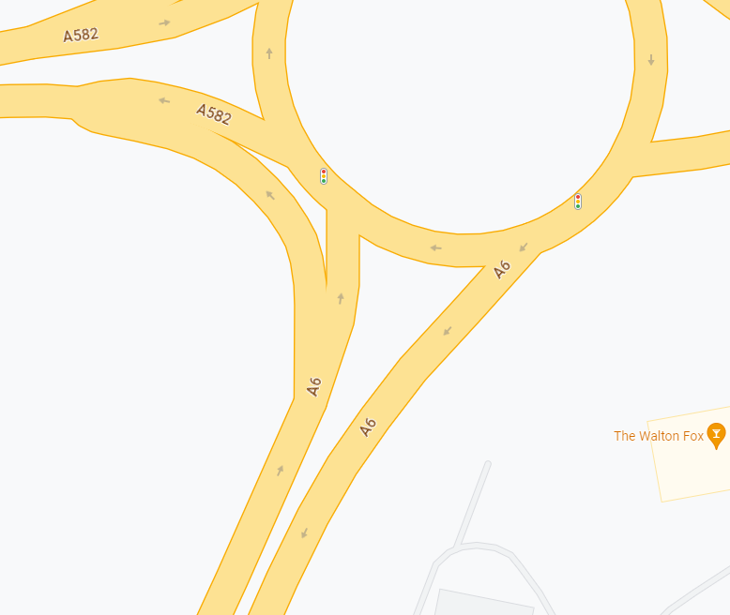

North
North

Link 1

Link 2
Link 3

South

WSP Summary
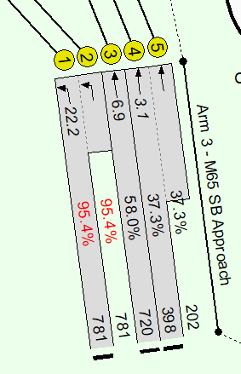
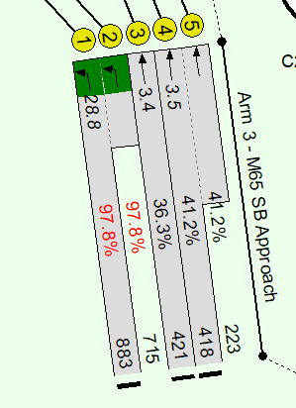
WSP Summary - Total Vehicles Comparision

Total vehicles |  | AM Peak (07:30 -08:30) |  |  | PM Peak (16:30 -17:30)
 |  | 2016 Survey | 2023 Survey | Difference | 2016 Survey | 2023 Survey | Difference
Link 1 | A6 Southern Arm - Left turn onto A582 | 1289 | 1199 | 90 | 1269 | 1294 | -25
Link 2 | A6 Southern Arm - Straight ahead and Right turn | 1132 | 1095 | 37 | 833 | 957 | -124 | -6.6%
Link 3 | A6 Southern Arm - Exit (Southbound) | 1951 | 1859 | 92 | 1991 | 1911 | 80
 |  |  |  |  |  | -1.7%

 |  |  | AM 2023-2024 growth: | 1.01 |  | AM 2023-2024 growth: | 1.01
Total vehicles |  | AM Peak (07:30 -08:30) |  |  | PM Peak (16:30 -17:30)
 |  | 2024 Base Flows | 2023 Survey | Difference | 2024 Base Flows | 2023 Survey | Difference
Link 1 | A6 Southern Arm - Left turn onto A582 | 1300 | 1199 | 101 | 1280 | 1294 | -14
Link 2 | A6 Southern Arm - Straight ahead and Right turn | 1142 | 1095 | 47 | 840 | 957 | -117 | -5.8%
Link 3 | A6 Southern Arm - Exit (Southbound) | 1968 | 1859 | 109 | 2008 | 1911 | 97
 |  |  |  |  |  | -0.8%

 |  | AM Peak (07:30 -08:30) |  |  | PM Peak (16:30 -17:30)
 | Queue Summary - Mean Max Queue | 2023 Survey | 2024 LinSig | Difference | 2023 Survey | 2024 LinSig | Difference
 | Left Turn | 0 | 0 | 0 | 0 | 0 | 0
 | Lane 1 | 8 | 7 | 1 | 7 | 9 | -2
 | Lane 2 | 14 | 8 | 6 | 10 | 6 | 4
 | Lane 3 | 3 |  | 3 | 3 |  | 3

 |  | AM Base PRC = -15.4% |  |  | PM Base PRC = -19.7%

 |  | 2037 Do-Something AM Peak |  |  | 2037 Do-Something PM Peak

